Figures and Tables
Graphics Used in Report |  | Tables and Figures Used in Report

 | PG&E | SMUD
2015 | $0.203 | $0.135
2016 | $0.212 | $0.139
2017 | $0.227 | $0.141
2018 | $0.232 | $0.144
2019 | $0.230 | $0.149
2020 | $0.257 | $0.153
2021 | $0.273 | $0.162
2022 | $0.309 | $0.167
2023 | $0.346 | $0.169
2024 | $0.448 | $0.179
 | Figure 1 - Average Residential Energy Costs ($/kWh) for PG&E and SMUD, 2015-2024 | Table 1 – Structural Differences Between SMUD and PG&E
 |  | Factor | SMUD | PG&E
 |  | Ownership | Public | Investor Owned
 |  | Service Area | Dense/Urban | Large/Rural
 |  | Wildfire Exposure | Low | High

 |  | Figure 3 - PG&E Financial Revenue and Earnings, 2024

 |  | Source: | https://s1.q4cdn.com/880135780/files/doc_financials/2024/ar/2024-PG-E-Joint-Annual-Report-to-Shareholders.pdf

 |  | Figure 4 - PG&E Revenue Requirement and Rate Base ($B), 2023-2026

 | Figure 2 - Cumulative Electricity Price Growth for PG&E and SMUD, 2015-2024
 | PG&E | SMUD
2015 | 0.00% | 0.00%
2016 | 4.12% | 3.12%
2017 | 11.78% | 4.23%
2018 | 13.97% | 7.05%
2019 | 12.85% | 10.53%
2020 | 26.45% | 13.28%
2021 | 34.15% | 20.18%
2022 | 51.73% | 24.11%
2023 | 70.20% | 25.15%
2024 | 120.19% | 32.49%

 |  | Source: | https://s1.q4cdn.com/880135780/files/doc_financials/2024/ar/2024-PG-E-Joint-Annual-Report-to-Shareholders.pdf

 |  | Figure 5 - PG&E Return on Equity and Weighted Cost of Capital (WACC), 2024

 |  | Source: | https://s1.q4cdn.com/880135780/files/doc_financials/2024/ar/2024-PG-E-Joint-Annual-Report-to-Shareholders.pdf

 |  | Figure 8 - PG&E vs SMUD Service Territory Map, 2024
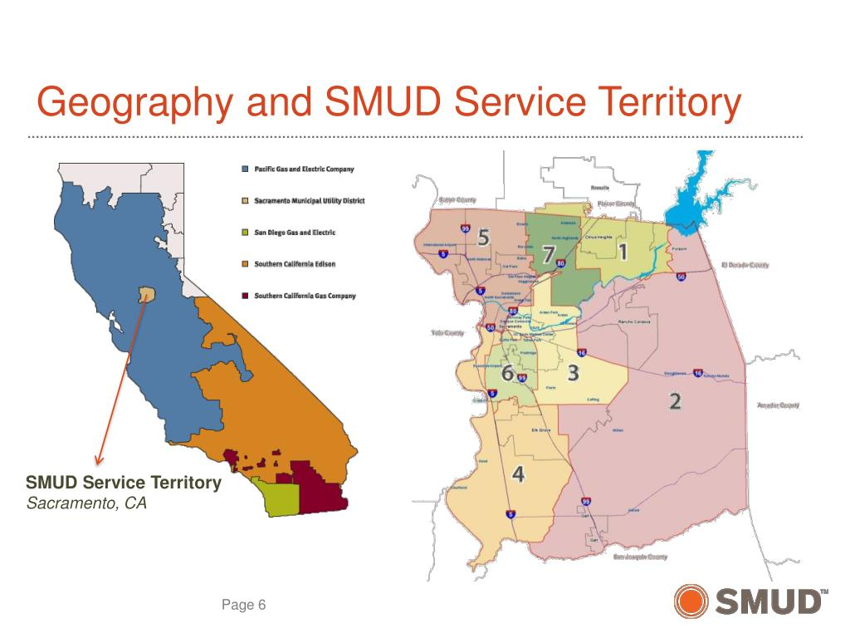

 | Figure 6 - PG&E Cost of Capital as an IOU vs as a Public Utility, 2024
 | Equity | Debt
IOU | 5.38% | 2.28%
Public | 0.00% | 4.80%

 |  | Source: | https://www.slideserve.com/corine/elisabeth-s-brinton-chief-customer-officer-smud

 | $/kWh
IOU | $0.448
Public | $0.404
 | Figure 7 - PG&E Estimated Electricity Rates as an IOU vs Public Utility, 2024 | Table 2 - PG&E vs SMUD Customer Service Density Profile, 2024
 |  | Utility | Customers | Service Area (Sq. Mi) | Customers/Sq. Mi
 |  | PG&E | 5,500,000 | 70,000 | 79
 |  | SMUD | 685,495 | 900 | 762

 | Figure 9 - PG&E vs SMUD Circuit Miles of Infrastructure, 2024
 | PG&E | SMUD
Transmission | 18,466 | 822
Distribution | 106,681 | 11,476

 | Figure 10 - PG&E vs SMUD Customers per Mile of Infrastructure, 2024
 | PG&E | SMUD
Transmission | 297.8 | 834.0
Distribution | 51.6 | 59.7

 | Figure 11 - PG&E vs SMUD Cost per Customer, 2024
 | Cost per Customer
PG&E | $4,439.82
SMUD | $2,992.00

 | Figure 12 - Count of California Wildfires by Year
 | # of Wildfires
2015 | 8,745
2016 | 6,986
2017 | 9,560
2018 | 8,527
2019 | 7,860
2020 | 9,639
2021 | 8,835
2022 | 7,490
2023 | 7,127

 | Figure 13 - Count of Acres Burned by California Wildfires by Year
 | # of Acres Burned
2015 | 893,362
2016 | 669,534
2017 | 1,548,429
2018 | 1,975,086
2019 | 259,823
2020 | 4,397,809
2021 | 2,568,948
2022 | 362,455
2023 | 324,917

 | Figure 14 - PG&E Portion of Revenue Going Towards Wildfire Prevention
 | Other Costs | Wildfire Costs
2019 | 13.5 | 0.07
2020 | 13.4 | 0.74
2021 | 11.8 | 2.60
2022 | 11.8 | 3.30
2023 | 14.5 | 3.20

Figures 1 and 2
Avg $/kWh 2015-2024 |  |  | PGE vs SMUD Avg $/kWh 2015-2024
Year | PG&E | SMUD
2015 | $0.203 | $0.135
2016 | $0.212 | $0.139
2017 | $0.227 | $0.141
2018 | $0.232 | $0.144
2019 | $0.230 | $0.149
2020 | $0.257 | $0.153
2021 | $0.273 | $0.162
2022 | $0.309 | $0.167
2023 | $0.346 | $0.169
2024 | $0.448 | $0.179

Price Growth vs Baseline 2015-2024 |  |  | PG&E vs SMUD Cumulative Price Growth vs Baseline 2015-2024
Year | PG&E | SMUD
2015 | $- | $-
2016 | 4.12% | 3.12%
2017 | 11.78% | 4.23%
2018 | 13.97% | 7.05%
2019 | 12.85% | 10.53%
2020 | 26.45% | 13.28%
2021 | 34.15% | 20.18%
2022 | 51.73% | 24.11%
2023 | 70.20% | 25.15%
2024 | 120.19% | 32.49%

INPUTS

PGE Average Residential Rates 2015-2025 (On Jan 1st, $/kWh)
Source: | https://www.pge.com/tariffs/en/rate-information/electric-rates.html#accordion-a84c67dc1e-item-3f05e67241

Year | Res $/kWh
2015 | $0.203
2016 | $0.212
2017 | $0.227
2018 | $0.232
2019 | $0.230
2020 | $0.257
2021 | $0.273
2022 | $0.309
2023 | $0.346
2024 | $0.448

SMUD Rates 2015-2019
Source: | https://www.smud.org/-/media/Documents/Corporate/About-Us/Company-Information/Reports-and-Documents/2014-2021/2019/1241-20_2019AnnualReport_5YearSummary-wLogo.ashx
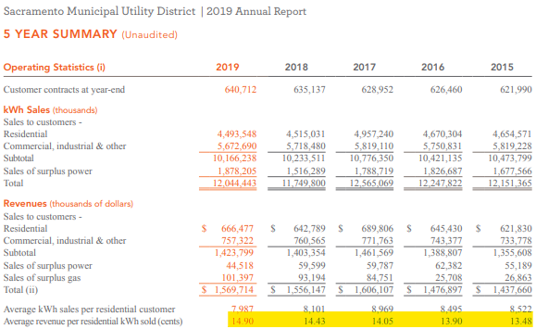

 |  |  |  | Year | Res $/kWh
 |  |  |  | 2015 | $0.135
 |  |  |  | 2016 | $0.139
 |  |  |  | 2017 | $0.141
 |  |  |  | 2018 | $0.144
 |  |  |  | 2019 | $0.149
SMUD Rates 2020-2024
Source: | https://www.smud.org/-/media/About-Us/Newsletters/Reports-and-Statements/2024-Annual-Report/2024AnnualReport_5YearSummary.ashx
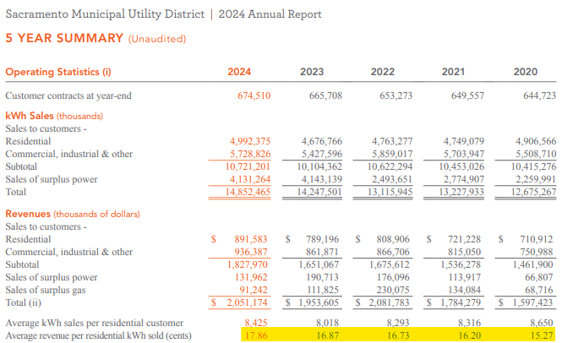

 |  |  |  | Year | Res $/kWh
 |  |  |  | 2020 | $0.153
 |  |  |  | 2021 | $0.162
 |  |  |  | 2022 | $0.167
 |  |  |  | 2023 | $0.169
 |  |  |  | 2024 | $0.179

Figure 6
PG&E Debt Scenarios |  |  |  | PG&E Financing Components as an IOU vs as a Public Utility
Structure | Equity | Debt | WACC
IOU | 5.38% | 2.28% | 7.66%
Public | 0.00% | 4.80% | 4.80%

INPUTS

Equity an Debt Structure of PG&E
Source: | https://s1.q4cdn.com/880135780/files/doc_financials/2024/ar/2024-PG-E-Joint-Annual-Report-to-Shareholders.pdf

 |  |  |  | Structure | Equity | Debt | WACC
 |  |  |  | IOU | 5.38% | 2.28% | 7.66%
 |  |  |  | Public | 0.00% | 4.80% | 4.80%

Figure 7
PG&E Rates Public vs IOU |  | PG&E Rates Public vs IOU
Structure | $/kWh
IOU | $0.448
Public | $0.404

INPUTS

PG&E Public Cost Savings |  | PG&E Finacials
Public vs Private WACC (%) | 2.86% | Source: | https://s1.q4cdn.com/880135780/files/doc_financials/2024/ar/2024-PG-E-Joint-Annual-Report-to-Shareholders.pdf
Rate Base ($B) | 48.8
Reduction in Costs ($B) | $1.40
Revenue Requirement ($B) | $14.24
Rate Discount (%) | 9.8%

Table 2
Customers per Square Mile
Utility | Customers | Service Area (Sq. Mi) | Customers/Sq. Mi
PG&E | 5,500,000 | 70,000 | 78.6
SMUD | 685,495 | 900 | 761.7

Inputs

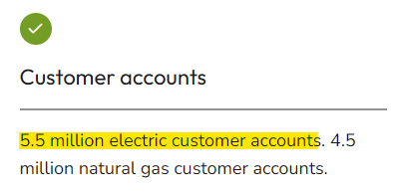
PG&E Customers and Service Area
Source: | https://www.pge.com/en/about/company-information/company-profile.html

 |  |  | PG&E Customers | 5,500,000
 |  |  | PG&E Service Area | 70,000

Source: | https://www.smud.org/-/media/Documents/Corporate/About-Us/Company-Information/Reports-and-Documents/2026/SMUD-Approved-2026-Budget-Book.ashx
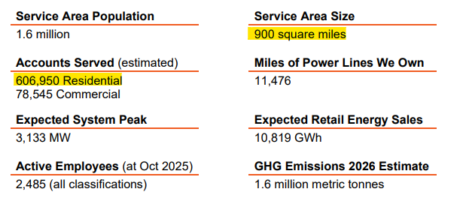

 |  |  | SMUD Customers | 685495
 |  |  | SMUD Service Area | 900

Figure 9
Miles of Infrastructure - PG&E vs SMUD |  |  |  | Circuit Miles of Infrastructure - PG&E vs SMUD
Utility | PG&E | SMUD
Transmission | 18,466 | 822
Distribution | 106,681 | 11,476

INPUTS

SMUD Transmission Infrastructure |  |  |  |  |  |  |  |  |  |  | Distribution Infrastructure - SMUD
Source: | https://cecgis-caenergy.opendata.arcgis.com/datasets/260b4513acdb4a3a8e4d64e69fc84fee_2/explore?location=37.298022%2C-118.629288%2C6 |  |  |  |  |  |  |  |  |  | Source: | https://www.smud.org/-/media/Documents/Corporate/About-Us/Company-Information/Reports-and-Documents/2026/SMUD-Approved-2026-Budget-Book.ashx
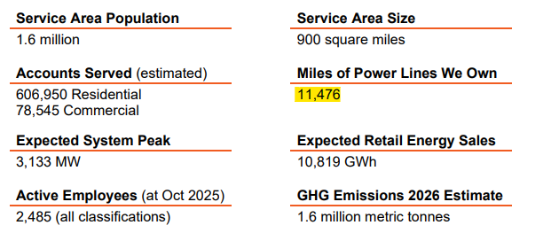
SMUD Transmission Lines
OBJECTID | Name | kV | kV (Sort) | Owner | Status | Circuit | Type | Legend | Length (Mile) | Length (Feet)
6124 | SMUD 230kV | 230 | 230 | SMUD | Operational | Double | OH | SMUD_230kV | 29 | 151470.07171
6125 | SMUD 230kV | 230 | 230 | SMUD | Operational | Double | OH | SMUD_230kV | 2 | 8101.9796523
6126 | SMUD 230kV | 230 | 230 | SMUD | Operational | Double | OH | SMUD_230kV | 15 | 81241.990657
6127 | SMUD 230kV | 230 | 230 | SMUD | Operational | Double | OH | SMUD_230kV | 6 | 33320.437262
6128 | SMUD 115kV | 115 | 115 | SMUD | Operational | Double | OH | SMUD_115kV | 6 | 30825.432941
6129 | SMUD 230kV | 230 | 230 | SMUD | Operational | Double | OH | SMUD_230kV | 6 | 30416.301093
6130 | SMUD 230kV | 230 | 230 | SMUD | Operational | Double | OH | SMUD_230kV | 4 | 21927.269122
6131 | SMUD 230kV | 230 | 230 | SMUD | Operational | Double | OH | SMUD_230kV | 4 | 19995.122045
6132 | SMUD 230kV | 230 | 230 | SMUD | Operational | Single | OH | SMUD_230kV | 0 | 737.78985125
6133 | SMUD 230kV | 230 | 230 | SMUD | Operational | Single | OH | SMUD_230kV | 1 | 3561.5705108
6134 | SMUD 230kV | 230 | 230 | SMUD | Operational | Single | OH | SMUD_230kV | 0 | 2286.8482494
6135 | SMUD 230kV | 230 | 230 | SMUD | Operational | Single | OH | SMUD_230kV | 13 | 69286.055594 |  |  | SMUD Infrastructure
6136 | SMUD 230kV | 230 | 230 | SMUD | Operational | Single | OH | SMUD_230kV | 1 | 6008.1302902 |  |  | Distribution | 11,476
6137 | SMUD 230kV | 230 | 230 | SMUD | Operational | Single | OH | SMUD_230kV | 0 | 1296.0460704
6138 | SMUD 230kV | 230 | 230 | SMUD | Operational | Single | OH | SMUD_230kV | 0 | 1174.6966553 | Distribution Infrastructure - PG&E
6139 | SMUD 230kV | 230 | 230 | SMUD | Operational | Single | OH | SMUD_230kV | 0 | 1171.0436239
6140 | SMUD 60kV | 60 | 60 | SMUD | Operational | Single | OH | SMUD_60kV | 1 | 5827.7430079 | Source: | https://www.pge.com/en/about/company-information/company-profile.html
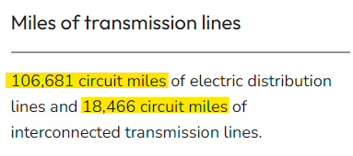
6141 | SMUD 60kV | 60 | 60 | SMUD | Operational | Single | OH | SMUD_60kV | 4 | 21733.273117
6142 | SMUD 60kV | 60 | 60 | SMUD | Operational | Single | OH | SMUD_60kV | 2 | 8673.7947184
6143 | SMUD 60kV | 60 | 60 | SMUD | Operational | Single | OH | SMUD_60kV | 0 | 333.39421171
6144 | SMUD 60kV | 60 | 60 | SMUD | Operational | Single | OH | SMUD_60kV | 0 | 295.4408158 |  |  | PG&E Infrastructure
6145 | SMUD 60kV | 60 | 60 | SMUD | Operational | Single | OH | SMUD_60kV | 0 | 88.094069 |  |  | Transmission | 18,466
6146 | SMUD 60kV | 60 | 60 | SMUD | Operational | Single | OH | SMUD_60kV | 1 | 7178.1892312 |  |  | Distribution | 106,681
6147 | SMUD 115kV | 115 | 115 | SMUD | Operational | Single | OH | SMUD_115kV | 3 | 14799.572751
6148 | SMUD 115kV | 115 | 115 | SMUD | Operational | Single | OH | SMUD_115kV | 0 | 134.73754278
6149 | SMUD 115kV | 115 | 115 | SMUD | Operational | Single | OH | SMUD_115kV | 1 | 3668.0055822
6150 | SMUD 230kV | 230 | 230 | SMUD | Operational | Double | OH | SMUD_230kV | 7 | 35871.892202
6151 | SMUD 230kV | 230 | 230 | SMUD | Operational | Double | OH | SMUD_230kV | 0 | 983.98718688
6152 | SMUD 230kV | 230 | 230 | SMUD | Operational | Double | OH | SMUD_230kV | 0 | 1319.8260018
6153 | SMUD 230kV | 230 | 230 | SMUD | Operational | Single | OH | SMUD_230kV | 0 | 1481.9727622
6154 | SMUD 230kV | 230 | 230 | SMUD | Operational | Double | OH | SMUD_230kV | 11 | 59423.091337
6155 | SMUD 230kV | 230 | 230 | SMUD | Operational | Single | OH | SMUD_230kV | 0 | 1173.7815147
6156 | SMUD 115kV | 115 | 115 | SMUD | Operational | Single | OH | SMUD_115kV | 4 | 18826.320544
6157 | SMUD 230kV | 230 | 230 | SMUD | Operational | Single | OH | SMUD_230kV | 0 | 1143.1445365
6158 | SMUD 230kV | 230 | 230 | SMUD | Operational | Single | OH | SMUD_230kV | 0 | 1745.1885679
6159 | SMUD 230kV | 230 | 230 | SMUD | Operational | Single | OH | SMUD_230kV | 0 | 2055.5001912
6160 | SMUD 230kV | 230 | 230 | SMUD | Operational | Double | OH | SMUD_230kV | 0 | 1483.5104608
6161 | SMUD 230kV | 230 | 230 | SMUD | Operational | Single | OH | SMUD_230kV | 0 | 616.24948871
6162 | SMUD 230kV | 230 | 230 | SMUD | Operational | Double | OH | SMUD_230kV | 32 | 168768.92386
6163 | SMUD 230kV | 230 | 230 | SMUD | Operational | Double | OH | SMUD_230kV | 0 | 1700.2246858
6164 | SMUD 230kV | 230 | 230 | SMUD | Operational | Double | OH | SMUD_230kV | 7 | 35554.552008
6165 | SMUD 230kV | 230 | 230 | SMUD | Operational | Double | OH | SMUD_230kV | 1 | 6271.1495736
6166 | SMUD 230kV | 230 | 230 | SMUD | Operational | Double | OH | SMUD_230kV | 17 | 89767.747287
6167 | SMUD 230kV | 230 | 230 | SMUD | Operational | Double | OH | SMUD_230kV | 0 | 846.13321871
6168 | SMUD 230kV | 230 | 230 | SMUD | Operational | Single | OH | SMUD_230kV | 0 | 1370.0206524
6169 | SMUD 230kV | 230 | 230 | SMUD | Operational | Double | OH | SMUD_230kV | 2 | 10160.857026
6170 | SMUD 115kV | 115 | 115 | SMUD | Operational | Double | OH | SMUD_115kV | 2 | 12567.247015
6171 | SMUD 115kV | 115 | 115 | SMUD | Operational | Double | OH | SMUD_115kV | 2 | 10519.053375
6172 | SMUD 115kV | 115 | 115 | SMUD | Operational | Single | OH | SMUD_115kV | 1 | 7525.7406029
6173 | SMUD 115kV | 115 | 115 | SMUD | Operational | Single | OH | SMUD_115kV | 0 | 100.26022023
6174 | SMUD 230kV | 230 | 230 | SMUD | Operational | Single | OH | SMUD_230kV | 0 | 1797.1317274
6175 | SMUD 230kV | 230 | 230 | SMUD | Operational | Single | OH | SMUD_230kV | 0 | 1791.4517249
6176 | SMUD 230kV | 230 | 230 | SMUD | Operational | Single | OH | SMUD_230kV | 0 | 1287.7867107
6177 | SMUD 230kV | 230 | 230 | SMUD | Operational | Double | OH | SMUD_230kV | 5 | 25838.195755
6178 | SMUD 230kV | 230 | 230 | SMUD | Operational | Single | OH | SMUD_230kV | 0 | 1318.5857602
6179 | SMUD 230kV | 230 | 230 | SMUD | Operational | Double | OH | SMUD_230kV | 1 | 6270.3377587
6180 | SMUD 230kV | 230 | 230 | SMUD | Operational | Single | OH | SMUD_230kV | 0 | 1317.338609
6181 | SMUD 230kV | 230 | 230 | SMUD | Operational | Double | OH | SMUD_230kV | 4 | 18985.809924
6182 | SMUD 230kV | 230 | 230 | SMUD | Operational | Double | OH | SMUD_230kV | 0 | 2409.0091284
6183 | SMUD 230kV | 230 | 230 | SMUD | Operational | Double | OH | SMUD_230kV | 12 | 63632.295157
6184 | SMUD 230kV | 230 | 230 | SMUD | Operational | Single | OH | SMUD_230kV | 0 | 1028.3858542
6185 | SMUD 230kV | 230 | 230 | SMUD | Operational | Single | OH | SMUD_230kV | 0 | 1703.8001549
6186 | SMUD 230kV | 230 | 230 | SMUD | Operational | Single | OH | SMUD_230kV | 0 | 1512.3777705
6187 | SMUD 230kV | 230 | 230 | SMUD | Operational | Double | OH | SMUD_230kV | 9 | 45654.632172
6188 | SMUD 230kV | 230 | 230 | SMUD | Operational | Single | OH | SMUD_230kV | 0 | 1785.7047814
6189 | SMUD 230kV | 230 | 230 | SMUD | Operational | Single | OH | SMUD_230kV | 0 | 706.44760161
6190 | SMUD 230kV | 230 | 230 | SMUD | Operational | Double | OH | SMUD_230kV | 0 | 1963.2740987
6191 | SMUD 230kV | 230 | 230 | SMUD | Operational | Single | OH | SMUD_230kV | 0 | 846.84053672
6192 | SMUD 230kV | 230 | 230 | SMUD | Operational | Single | UG | SMUD_230kV | 6 | 31403.95757
6193 | SMUD 230kV | 230 | 230 | SMUD | Operational | Single | UG | SMUD_230kV | 4 | 20356.950697
6194 | SMUD 230kV | 230 | 230 | SMUD | Operational | Single | UG | SMUD_230kV | 1 | 6238.9109164
6195 | SMUD 230kV | 230 | 230 | SMUD | Operational | Single | UG | SMUD_230kV | 1 | 4932.1060851
6196 | SMUD 230kV | 230 | 230 | SMUD | Operational | Single | UG | SMUD_230kV | 2 | 9537.3500886
6197 | SMUD 230kV | 230 | 230 | SMUD | Operational | Single | UG | SMUD_230kV | 2 | 9579.3290005
6198 | SMUD 230kV | 230 | 230 | SMUD | Operational | Single | UG | SMUD_230kV | 2 | 9449.3746814
6199 | SMUD 230kV | 230 | 230 | SMUD | Operational | Single | UG | SMUD_230kV | 2 | 9528.897845
6200 | SMUD 230kV | 230 | 230 | SMUD | Operational | Double | OH | SMUD_230kV | 10 | 54022.656699
6201 | SMUD 230kV | 230 | 230 | SMUD | Operational | Single | OH | SMUD_230kV | 4 | 19453.677596
6202 | SMUD 230kV | 230 | 230 | SMUD | Operational | Single | OH | SMUD_230kV | 0 | 1074.0487974
6203 | SMUD 60kV | 60 | 60 | SMUD | Operational | Single | OH | SMUD_60kV | 5 | 28339.33972
6204 | SMUD 60kV | 60 | 60 | SMUD | Operational | Single | OH | SMUD_60kV | 3 | 16672.703433
6205 | SMUD 60kV | 60 | 60 | SMUD | Operational | Single | OH | SMUD_60kV | 3 | 17699.151417
6206 | SMUD 60kV | 60 | 60 | SMUD | Operational | Single | OH | SMUD_60kV | 4 | 20828.692552
6207 | SMUD 60kV | 60 | 60 | SMUD | Operational | Single | OH | SMUD_60kV | 2 | 8648.243454
6208 | SMUD 60kV | 60 | 60 | SMUD | Operational | Single | OH | SMUD_60kV | 1 | 3289.6796094
6209 | SMUD 60kV | 60 | 60 | SMUD | Operational | Single | OH | SMUD_60kV | 1 | 2772.1254969
6210 | SMUD 60kV | 60 | 60 | SMUD | Operational | Single | OH | SMUD_60kV | 2 | 9387.9172829
6211 | SMUD 60kV | 60 | 60 | SMUD | Operational | Double | OH | SMUD_60kV | 5 | 27588.525866
6212 | SMUD 60kV | 60 | 60 | SMUD | Operational | Single | OH | SMUD_60kV | 4 | 20939.145135
6213 | SMUD 60kV | 60 | 60 | SMUD | Operational | Single | OH | SMUD_60kV | 0 | 387.5831751
6214 | SMUD 60kV | 60 | 60 | SMUD | Operational | Single | OH | SMUD_60kV | 0 | 76.68808625
6215 | SMUD 60kV | 60 | 60 | SMUD | Operational | Single | OH | SMUD_60kV | 1 | 6836.0828793
6216 | SMUD 230kV | 230 | 230 | SMUD | Operational | Single | OH | SMUD_230kV | 0 | 213.76464544
6217 | SMUD 60kV | 60 | 60 | SMUD | Operational | Single | OH | SMUD_60kV | 2 | 11153.019834
6218 | SMUD 60kV | 60 | 60 | SMUD | Operational | Single | OH | SMUD_60kV | 3 | 18235.181999
6219 | SMUD 60kV | 60 | 60 | SMUD | Operational | Single | OH | SMUD_60kV | 0 | 335.92589533
6220 | SMUD 60kV | 60 | 60 | SMUD | Operational | Single | OH | SMUD_60kV | 0 | 270.42244483
6221 | SMUD 60kV | 60 | 60 | SMUD | Operational | Single | OH | SMUD_60kV | 1 | 7914.6172813
...

Figure 10
Infrastructure per Customer |  |  | PG&E vs SMUD Infrastructure per Customer
Utility | PG&E | SMUD
Transmission | 297.8 | 834.0
Distribution | 51.6 | 59.7

Figure 11
Cost per Customer |  |  |  | PG&E vs SMUD Cost per Customer
Utility | Revenue | # of Customers | Cost per Customer
PG&E | $24,419,000,000 | 5,500,000 | $4,439.82
SMUD | $2,051,000,000 | 685,495 | $2,992.00

INPUTS

PG&E Revenue
Source: | https://s1.q4cdn.com/880135780/files/doc_financials/2024/ar/2024-PG-E-Joint-Annual-Report-to-Shareholders.pdf

 | Revenue ($B) | $24.42

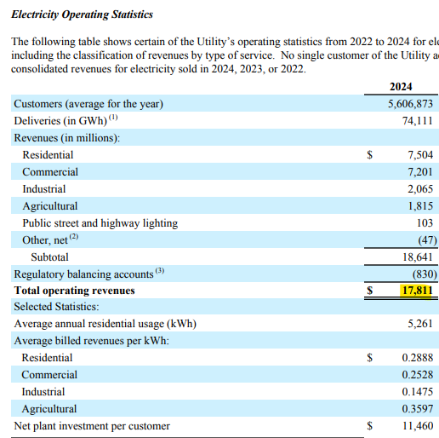

 | Elec. Revenue ($B) | $17.81

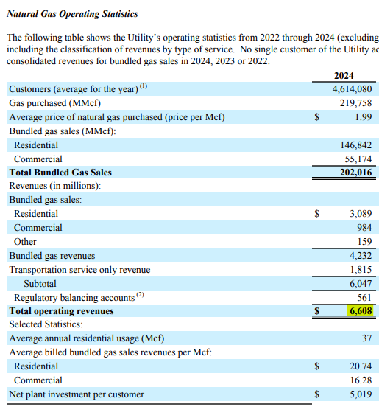

 | Gas Revenue ($B) | $6.61

SMUD Revenue
Source: | https://www.smud.org/-/media/About-Us/Newsletters/Reports-and-Statements/2024-Annual-Report/2024AnnualReport_5YearSummary.ashx

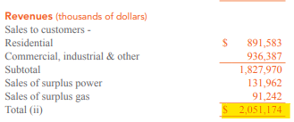

 | Revenue ($B) | $2.05

Figures 12 and 13
California Wildfire Frequency |  |  | California Wildfire Acres Burned (Millions)
 | # of Wildfires
2015 | 8,745
2016 | 6,986
2017 | 9,560
2018 | 8,527
2019 | 7,860
2020 | 9,639
2021 | 8,835
2022 | 7,490
2023 | 7,127
 | # of Acres Burned
2015 | 893,362
2016 | 669,534
2017 | 1,548,429
2018 | 1,975,086
2019 | 259,823
2020 | 4,397,809
2021 | 2,568,948
2022 | 362,455
2023 | 324,917

INPUTS

Source: | https://www.frontlinewildfire.com/wildfire-news-and-resources/california-wildfires-history-statistics/

Year | # of Wildfires | # of Acres Burned
2015 | 8,745 | 893,362
2016 | 6,986 | 669,534
2017 | 9,560 | 1,548,429
2018 | 8,527 | 1,975,086
...

Figure 14
PG&E Wildfire Costs as a Portion of Revenue Requirement ($ Billion)

INPUTS

Source: | https://calmatters.org/environment/2024/12/pge-utilities-wildfire-prevention-customer-bills-california/
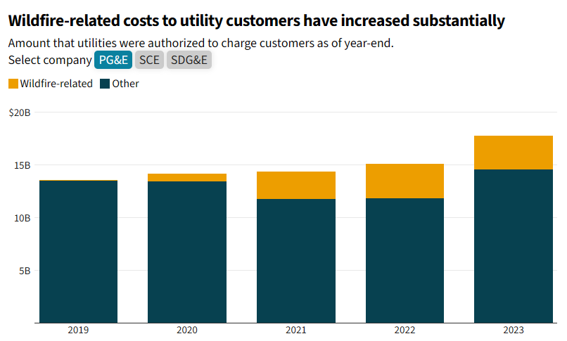

 |  | Year | Wildfire Costs | Other Costs
 |  | 2019 | 0.07 | 13.5
 |  | 2020 | 0.74 | 13.4
 |  | 2021 | 2.60 | 11.8
 |  | 2022 | 3.30 | 11.8
 |  | 2023 | 3.20 | 14.5

