Figures and Tables
Graphics Used in Report |  | Tables Used in Report

 | Market Size ($B)
2025 | 270
2026 | 301
2027 | 334
2028 | 371
2029 | 412
2030 | 458
2031 | 509
2032 | 565
2033 | 628
2034 | 698
Figure 1 - Data Center Market Size Forecast (2025-2034) |  | Figure 3 - Data Center vs Traditional Real Estate Revenue Model
 |  | Metric | Data Centers | Traditional Real Estate
 |  | Cost Driver | $/kW/month | $/sqft/month
 |  | Key Constraint | Power | Space
 |  | Typical Price/Unit | $120-180 | $2-4
 |  | Asset Scale | 30,000 kW | 150,000-250,000 sqft
 |  | Revenue Potential | $4,500,000 | $600,000
 |  | Revenue Density ($/sqft)* | $20-30 | $2-4

 |  | Figure 16 - Criteria of Market Selection for Data Center Investment, Ranked
 |  | Importance | Criteria | Weight
 |  | 1 | Power Availability | High
 |  | 2 | Land Availability | High
 |  | 3 | Market Size | High
 |  | 4 | Capacity Under Construction | Medium
 |  | 5 | Planned Capacity | Medium
 |  | 6 | Land Price | Medium
Figure 2 - Data Center Load Growth Forecast, Low and High Scenarios (TWh) |  | 7 | Fiber Connectivity | Medium
 | Low Scenario | High Scenario
2014 | 60 | 60
2015 | 60 | 60
2016 | 60 | 60
2017 | 67.527772065 | 67.527772065
2018 | 76 | 76
2019 | 89.898699135 | 89.898699135
2020 | 106.33915929 | 106.33915929
2021 | 125.78621168 | 125.78621168
2022 | 148.78969472 | 148.78969472
2023 | 176 | 176
2024 | 198.96963646 | 223.40646308
2025 | 224.93702406 | 283.58208946
2026 | 254.29339718 | 359.9663159
2027 | 287.48104996 | 456.92500832
2028 | 325 | 580
 |  | 8 | Vacancy & Absorption | Medium
 |  | 9 | Regulations & Incentives | Medium
 |  | 10 | Power Cost | Medium
 |  | 11 | Cloud Availability | Medium
 |  | 12 | Renewable Power Options | Medium
 |  | 13 | Environmental Risk | Low
 |  | 14 | Taxes | Low
 |  | 15 | Water Availability | Low
 |  | 16 | Political Stability | Low

Figure 4 - Data Center Capex and Cash Flow Model
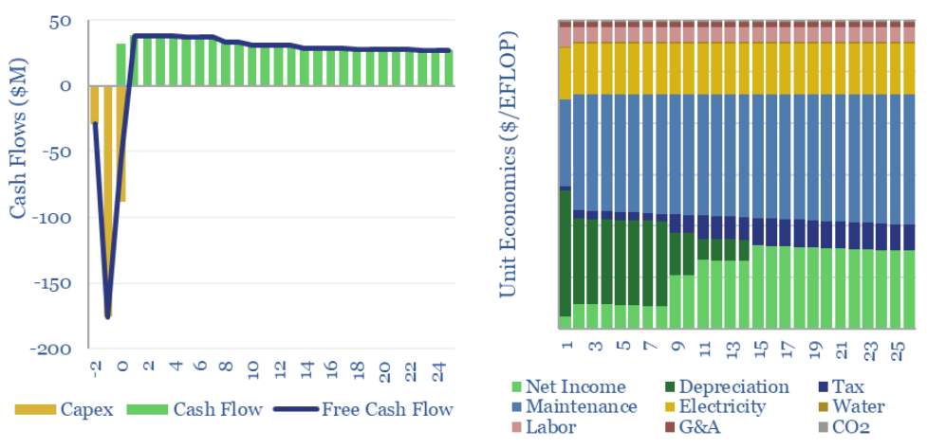

Source: | https://thundersaidenergy.com/downloads/data-centers-the-economics/

Figure 5 - Data Center Capex by Equipment Type
 | Low Range | High Range
Fire Suppression | $15 | $25
Land | $25 | $75
Building Shell | $80 | $160
Building Fit-Out | $100 | $200
HVAC / Mechanical / Cooling | $125 | $215
Electrical Systems | $280 | $460
Total Development Costs | $625 | $1,135

Figure 6 - Data Center Opex by Cooling Mechanism Used
 | Air Cooled | Immersion Cooled
Energy | $10.75 | $6.63
Maintenance | $12.35 | $7.57

Figure 7 - Electric System Operator Territories in the United States
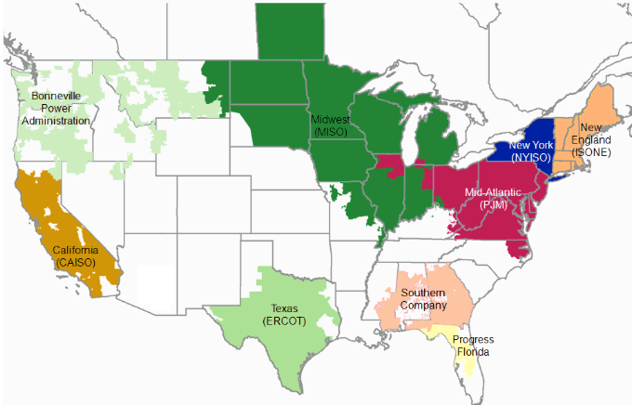

Source: | https://www.eia.gov/electricity/monthly/update/wholesale-markets.php

Figure 8 - Industrial Electricity Rates by Region ($/kWh)
 | $/kWh
West South Central | $0.065
East South Central | $0.071
Mountain | $0.072
West North Central | $0.076
South Atlantic | $0.083
U.S. Total | $0.085
East North Central | $0.092
Middle Atlantic | $0.107
Pacific Contiguous | $0.141
New England | $0.188

Figure 9 - Annual Energy Consumption by Data Center Size (GWh)
 | Annual Energy Consumption
10 MW | 87,600
20 MW | 175,200
30 MW | 262,800
40 MW | 350,400
50 MW | 438,000

Figure 10 - Annual Energy Costs by Data Center Size ($M)
 | Low Cost Market | Medium Cost Market | High Cost Market
10 MW | $5,667,720 | $7,472,280 | $16,460,040
20 MW | $11,335,440 | $14,944,560 | $32,920,080
30 MW | $17,003,160 | $22,416,840 | $49,380,120
40 MW | $22,670,880 | $29,889,120 | $65,840,160
50 MW | $28,338,600 | $37,361,400 | $82,300,200

Figure 11 - Annual Energy Costs Increase From a $0.01/kWh Price Increase
 | $0.01/kWh Energy Price Increase
10 MW | $876,000
20 MW | $1,752,000
30 MW | $2,628,000
40 MW | $3,504,000
50 MW | $4,380,000

Figure 12 - Total Power Capacity (GW) in Interconnection Queues
 | Queued In Previous Year | Queued in Current Year
2014 | 197.6 | 127.0
2015 | 227.1 | 136.4
2016 | 218.7 | 202.1
2017 | 272.0 | 233.6
2018 | 362.1 | 276.7
2019 | 434.2 | 299.1
2020 | 612.9 | 348.6
2021 | 810.0 | 560.6
2022 | 1282.3 | 759.1
2023 | 1689.6 | 908.0

Figure 13 - Total Time Between Interconnection Request (IR) and Agreement (IA)
 | Median # of Months
2014 | 20.1
2015 | 19.5
2016 | 19.9
2017 | 25.2
2018 | 27.5
2019 | 31.4
2020 | 33.0
2021 | 32.0
2022 | 36.3
2023 | 34.9

Figure 14 - Average Time From Interconnection Request (IR) to Commercial Operations Date (COD)
 | Average # of Months
West | 24.9
ERCOT | 43.5
PJM | 44.1
SPP | 54.6
NYISO | 60.5
CAISO | 74.5

Figure 15 - Cumulative Opex (Low vs Med vs High Scenarios, 30MW Data Center)
 | Low Cost | Medium Cost | High Cost
1 | 17003160 | 22416840 | 49380120
2 | 34006320 | 44833680 | 98760240
3 | 51009480 | 67250520 | 148140360
4 | 68012640 | 89667360 | 197520480
5 | 85015800 | 112084200 | 246900600
6 | 102018960 | 134501040 | 296280720
7 | 119022120 | 156917880 | 345660840
8 | 136025280 | 179334720 | 395040960
9 | 153028440 | 201751560 | 444421080
10 | 170031600 | 224168400 | 493801200

Figure 1
Data Center Market Size Forecast (2025-2034)

INPUTS

Source: | https://www.fortunebusinessinsights.com/data-center-market-109851 | Year | Market Size ($B) | CAGR (%) | 11.1%
 |  | 2025 | 270
 |  | 2026 | 301
 |  | 2027 | 334
 |  | 2028 | 371
 |  | 2029 | 412
 |  | 2030 | 458
 |  | 2031 | 509
 |  | 2032 | 565
 |  | 2033 | 628
 |  | 2034 | 698

Figure 2
Data Center Load Growth Forecast, Low and High Scenarios (TWh)

INPUTS

Source: | https://escholarship.org/uc/item/32d6m0d1
 |  |  | Interpolated
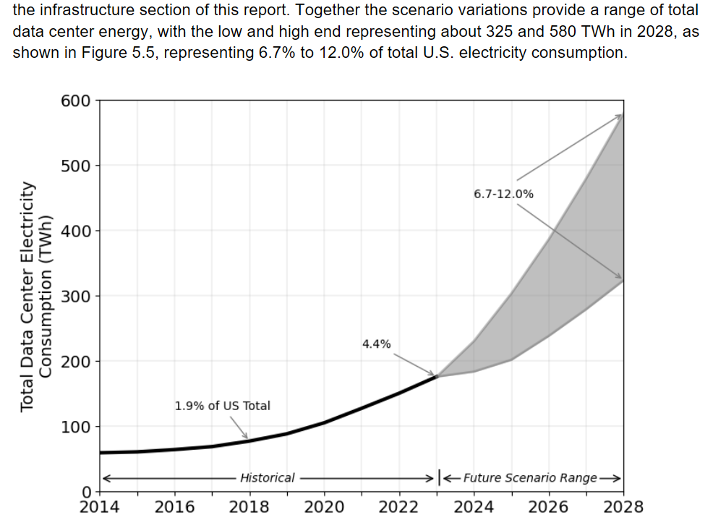
 |  | Year | Low Scenario | High Scenario
 |  | 2014 | 60 | 60
 |  | 2015 | 60 | 60
 |  | 2016 | 60 | 60
 |  | 2017 | 68 | 68
 |  | 2018 | 76 | 76
 |  | 2019 | 90 | 90
 |  | 2020 | 106 | 106
 |  | 2021 | 126 | 126
 |  | 2022 | 149 | 149
 |  | 2023 | 176 | 176
 |  | 2024 | 199 | 223
 |  | 2025 | 225 | 284
 |  | 2026 | 254 | 360
 |  | 2027 | 287 | 457
 |  | 2028 | 325 | 580

Figure 5
Data Center Capex by Equipment Type

INPUTS

Source: | https://dgtlinfra.com/how-much-does-it-cost-to-build-a-data-center/

Data Center Capex Components
Cost Component | Low Range | High Range
Fire Suppression | $15 | $25
Land | $25 | $75
Building Shell | $80 | $160
Building Fit-Out | $100 | $200
HVAC / Mechanical / Cooling | $125 | $215
Electrical Systems | $280 | $460
Total Development Costs | $625 | $1,135

Figure 6
Data Center Opex by Cooling Mechanism Used

INPUTS

Source: | https://www.linkedin.com/pulse/understanding-total-cost-ownership-tco-10-mw-ai-data-kp5oc/
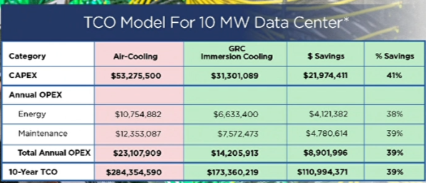

 |  | Data Center Type | Energy | Maintenance
 |  | Air Cooled | $10.75 | $12.35
 |  | Immersion Cooled | $6.63 | $7.57

Figure 8
Industrial Electricity Rates by Region ($/kWh)

INPUTS

Source: | https://www.eia.gov/electricity/monthly/epm_table_grapher.php?t=epmt_5_6_a

Region | $/kWh
West South Central | $0.065
East South Central | $0.071
Mountain | $0.072
West North Central | $0.076
South Atlantic | $0.083
U.S. Total | $0.085
East North Central | $0.092
Middle Atlantic | $0.107
Pacific Contiguous | $0.141
New England | $0.188

Figures 9, 10, and 11
Annual Energy Consumption by Data Center Size |  |  |  | Annual Energy Costs by Data Center Size |  |  |  |  | Annual Energy Costs Increase From a $0.01/kWh Price Increase

INPUTS

Annual Energy Consumption by Data Center Size |  | Costs by Market Size |  | Annual Energy Costs by Data Center Size |  |  |  |  | Annual Energy Costs Increase From a $0.01/kWh Price Increase
Data Center Size | Annual Energy Consumption | Low Cost Market | $0.065 | Data Center Size | Annual Energy Consumption | Low Cost Market | Medium Cost Market | High Cost Market | Data Center Size | $0.01/kWh Energy Price Increase
10 MW | 87,600 | Medium Cost Market | $0.085 | 10 MW | $87,600 | $5,667,720 | $7,472,280 | $16,460,040 | 10 MW | $876,000
20 MW | 175,200 | High Cost Market | $0.188 | 20 MW | $175,200 | $11,335,440 | $14,944,560 | $32,920,080 | 20 MW | $1,752,000
30 MW | 262,800 |  |  | 30 MW | $262,800 | $17,003,160 | $22,416,840 | $49,380,120 | 30 MW | $2,628,000
40 MW | 350,400 |  |  | 40 MW | $350,400 | $22,670,880 | $29,889,120 | $65,840,160 | 40 MW | $3,504,000
50 MW | 438,000 |  |  | 50 MW | $438,000 | $28,338,600 | $37,361,400 | $82,300,200 | 50 MW | $4,380,000

Figures 12, 13 and 14
Total Power Capacity (GW) in Interconnection Queue |  |  | Median Time Between Interconnection Request (IR) and Agreement (IA) |  |  | Total Time From Interconnection Request (IR) to Commercial Operations Date (COD)

INPUTS

Source: | https://emp.lbl.gov/queues |  |  | Source: | https://emp.lbl.gov/queues | Average Months per Region
 |  |  |  |  |  | Region | Average # of Months
Year | Queued In Previous Year | Queued in Current Year |  | Year of IA | Median # of Months | West | 24.9
2014 | 197.6 | 127.0 |  | 2000 | 37.4 | ERCOT | 43.5
2015 | 227.1 | 136.4 |  | 2001 | 19.1 | PJM | 44.1
2016 | 218.7 | 202.1 |  | 2002 | 6.8 | SPP | 54.6
2017 | 272.0 | 233.6 |  | 2003 | 8.6 | NYISO | 60.5
2018 | 362.1 | 276.7 |  | 2004 | 13.5 | CAISO | 74.5
2019 | 434.2 | 299.1 |  | 2005 | 15.5
2020 | 612.9 | 348.6 |  | 2006 | 16.0 | Pivot Summary
2021 | 810.0 | 560.6 |  | 2007 | 14.8 | Row Labels | 2014 | 2015 | 2016 | 2017 | 2018 | 2019 | 2020 | 2021 | 2022 | 2023 | Grand Total
2022 | 1282.3 | 759.1 |  | 2008 | 15.9 | CAISO | 55.3 | 63.5 | 68.6 | 65.9 | 70.9 | 83.0 | 79.1 | 62.5 | 95.2 | 100.4 | 74.5
2023 | 1689.6 | 908.0 |  | 2009 | 22.9 | ERCOT | 45.0 | 40.9 | 36.4 | 44.5 | 55.6 | 50.2 | 37.0 | 41.0 | 37.5 | 46.6 | 43.5
 |  |  |  | 2010 | 28.4 | NYISO | 33.1 | 56.9 | 53.6 | 50.3 | 46.6 | 58.1 | 94.4 | 82.0 | 53.6 | 76.4 | 60.5
 |  |  |  | 2011 | 30.6 | PJM | 42.6 | 28.7 | 41.2 | 37.1 | 42.7 | 36.4 | 33.5 | 53.6 | 63.7 | 61.4 | 44.1
 |  |  |  | 2012 | 33.5 | SPP | 64.8 | 34.1 | 25.4 | 50.8 | 44.5 | 50.7 | 55.8 | 58.8 | 71.6 | 90.0 | 54.6
 |  |  |  | 2013 | 29.4 | West | 19.2 | 10.6 | 17.0 | 14.6 | 5.6 | 25.3 | 36.1 | 7.6 | 78.2 | 35.0 | 24.9
 |  |  |  | 2014 | 20.1 | Grand Total | 43.3 | 39.1 | 40.4 | 43.9 | 44.3 | 50.6 | 56.0 | 50.9 | 66.6 | 68.3 | 50.3
 |  |  |  | 2015 | 19.5
 |  |  |  | 2016 | 19.9 | Source: | https://emp.lbl.gov/queues
 |  |  |  | 2017 | 25.2
 |  |  |  | 2018 | 27.5 | Raw Data Table
 |  |  |  | 2019 | 31.4 | In-Service Year | Region | Median
 |  |  |  | 2020 | 33.0 | 2014 | CAISO | 55.3
 |  |  |  | 2021 | 32.0 | 2014 | ERCOT | 45.0
 |  |  |  | 2022 | 36.3 | 2014 | NYISO | 33.1
 |  |  |  | 2023 | 34.9 | 2014 | PJM | 42.6
 |  |  |  |  |  | 2014 | SPP | 64.8
 |  |  |  |  |  | 2014 | West | 19.2
 |  |  |  |  |  | 2015 | CAISO | 63.5
 |  |  |  |  |  | 2015 | ERCOT | 40.9
 |  |  |  |  |  | 2015 | NYISO | 56.9
 |  |  |  |  |  | 2015 | PJM | 28.7
 |  |  |  |  |  | 2015 | SPP | 34.1
 |  |  |  |  |  | 2015 | West | 10.6
 |  |  |  |  |  | 2016 | CAISO | 68.6
 |  |  |  |  |  | 2016 | ERCOT | 36.4
 |  |  |  |  |  | 2016 | NYISO | 53.6
 |  |  |  |  |  | 2016 | PJM | 41.2
 |  |  |  |  |  | 2016 | SPP | 25.4
 |  |  |  |  |  | 2016 | West | 17.0
 |  |  |  |  |  | 2017 | CAISO | 65.9
 |  |  |  |  |  | 2017 | ERCOT | 44.5
 |  |  |  |  |  | 2017 | NYISO | 50.3
 |  |  |  |  |  | 2017 | PJM | 37.1
 |  |  |  |  |  | 2017 | SPP | 50.8
 |  |  |  |  |  | 2017 | West | 14.6
 |  |  |  |  |  | 2018 | CAISO | 70.9
 |  |  |  |  |  | 2018 | ERCOT | 55.6
 |  |  |  |  |  | 2018 | NYISO | 46.6
 |  |  |  |  |  | 2018 | PJM | 42.7
 |  |  |  |  |  | 2018 | SPP | 44.5
 |  |  |  |  |  | 2018 | West | 5.6
 |  |  |  |  |  | 2019 | CAISO | 83.0
 |  |  |  |  |  | 2019 | ERCOT | 50.2
 |  |  |  |  |  | 2019 | NYISO | 58.1
 |  |  |  |  |  | 2019 | PJM | 36.4
 |  |  |  |  |  | 2019 | SPP | 50.7
 |  |  |  |  |  | 2019 | West | 25.3
 |  |  |  |  |  | 2020 | CAISO | 79.1
 |  |  |  |  |  | 2020 | ERCOT | 37.0
 |  |  |  |  |  | 2020 | NYISO | 94.4
 |  |  |  |  |  | 2020 | PJM | 33.5
 |  |  |  |  |  | 2020 | SPP | 55.8
 |  |  |  |  |  | 2020 | West | 36.1
 |  |  |  |  |  | 2021 | CAISO | 62.5
 |  |  |  |  |  | 2021 | ERCOT | 41.0
 |  |  |  |  |  | 2021 | NYISO | 82.0
 |  |  |  |  |  | 2021 | PJM | 53.6
 |  |  |  |  |  | 2021 | SPP | 58.8
 |  |  |  |  |  | 2021 | West | 7.6
 |  |  |  |  |  | 2022 | CAISO | 95.2
 |  |  |  |  |  | 2022 | ERCOT | 37.5
 |  |  |  |  |  | 2022 | NYISO | 53.6
 |  |  |  |  |  | 2022 | PJM | 63.7
 |  |  |  |  |  | 2022 | SPP | 71.6
 |  |  |  |  |  | 2022 | West | 78.2
 |  |  |  |  |  | 2023 | CAISO | 100.4
 |  |  |  |  |  | 2023 | ERCOT | 46.6
 |  |  |  |  |  | 2023 | NYISO | 76.4
 |  |  |  |  |  | 2023 | PJM | 61.4
 |  |  |  |  |  | 2023 | SPP | 90.0
 |  |  |  |  |  | 2023 | West | 35.0

Figure 15
Cumulative Opex (Low vs Med vs High Scenarios, 30MW Data Center)

INPUTS

Cumulative Opex (Low vs Med vs High Scenarios, 30MW Data Center)
Year | Low Cost | Medium Cost | High Cost
1 | 17003160 | 22416840 | 49380120 | 30 MW
2 | 34006320 | 44833680 | 98760240 | Low Cost | $17,003,160
3 | 51009480 | 67250520 | 148140360 | Medium Cost | $22,416,840
4 | 68012640 | 89667360 | 197520480 | High Cost | $49,380,120
5 | 85015800 | 112084200 | 246900600
6 | 102018960 | 134501040 | 296280720
7 | 119022120 | 156917880 | 345660840
8 | 136025280 | 179334720 | 395040960
9 | 153028440 | 201751560 | 444421080
10 | 170031600 | 224168400 | 493801200

Figure 16
Criteria of Market Selection for Data Center Investment, Ranked
Importance | Criteria | Weight
1 | Power Availability | High
2 | Land Availability | High
3 | Market Size | High
4 | Capacity Under Construction | Medium
5 | Planned Capacity | Medium
6 | Land Price | Medium
7 | Fiber Connectivity | Medium
8 | Vacancy & Absorption | Medium
9 | Regulations & Incentives | Medium
10 | Power Cost | Medium
11 | Cloud Availability | Medium
12 | Renewable Power Options | Medium
13 | Environmental Risk | Low | T
14 | Taxes | Low
15 | Water Availability | Low
16 | Political Stability | Low

INPUTS

Source: | https://www.cushmanwakefield.com/en/insights/global-data-center-market-comparison#key%20evaluation%20metrics
